Start data
CMPG322 Applied Assignment C
Name and surname: | Bernard Swanepoel
Student number: | 39909476
Name of your virtual business: |  | ByteBazaar
Competitor 1: | Digital Haven
Competitor 2: | TechTrove

I. Simulation
Market share | Frequency
0.4 | 0
0.5 | 1
0.6 | 2
0.7 | 4
0.8 | 2
0.9 | 1

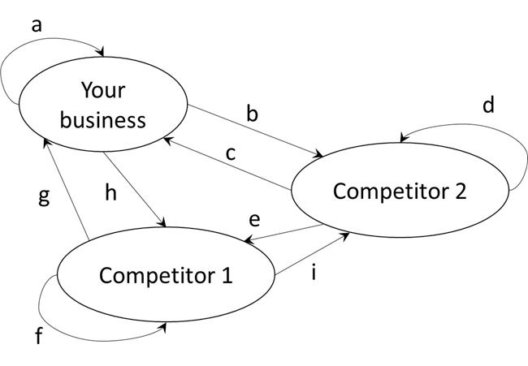
III. Markov analysis
a | 0.8 | f | 0.8
b | 0.1 | g | 0.2
c | 0.4 | h | 0.1
d | 0.4 | i | 0
e | 0.2

